02_Normal_Distribution
NO | MOVIE_NAME | YEAR | RATING | LENGTH | GENRE | SCORE
1 | The Shawshank Redemption | 1994 | R | 142 | Drama | 9.3
2 | The Godfather | 1972 | R | 175 | Crime, Drama | 9.2
3 | The Dark Knight | 2008 | PG-13 | 152 | Action, Crime, Drama | 9
4 | The Godfather: Part II | 1974 | R | 202 | Crime, Drama | 9
5 | The Lord of the Rings: The Return of the King | 2003 | PG-13 | 201 | Action, Adventure, Drama | 8.9
 |  | Z = (X - Mean) / SD
MOVIE_NAME | LENGTH | Z (standardization) |  | Empirical Rule | เกิดขึ้นจริงเสมอ
The Shawshank Redemption | 142 | 0.2541 |  | Mean | 134.54
The Godfather | 175 | 1.3784 |  | SD | 29.35378763
The Dark Knight | 152 | 0.5948 |  |  |  |  | 100
The Godfather: Part II | 202 | 2.2982 |  |  | Lower Bound | Upper Bound | Percent
The Lord of the Rings: The Return of the King | 201 | 2.2641 |  | +/-1SD | 105.19 | 163.89 | 68.0%
Pulp Fiction | 154 | 0.6629 |  | +/-2SD | 75.83 | 193.25 | 95.0%
Schindler's List | 195 | 2.0597 |  | +/-3SD | 46.48 | 222.60 | 99.0%
12 Angry Men | 96 | -1.3129
Inception | 148 | 0.4585
Fight Club | 139 | 0.1519
The Lord of the Rings: The Fellowship of the Ring | 178 | 1.4806
Forrest Gump | 142 | 0.2541
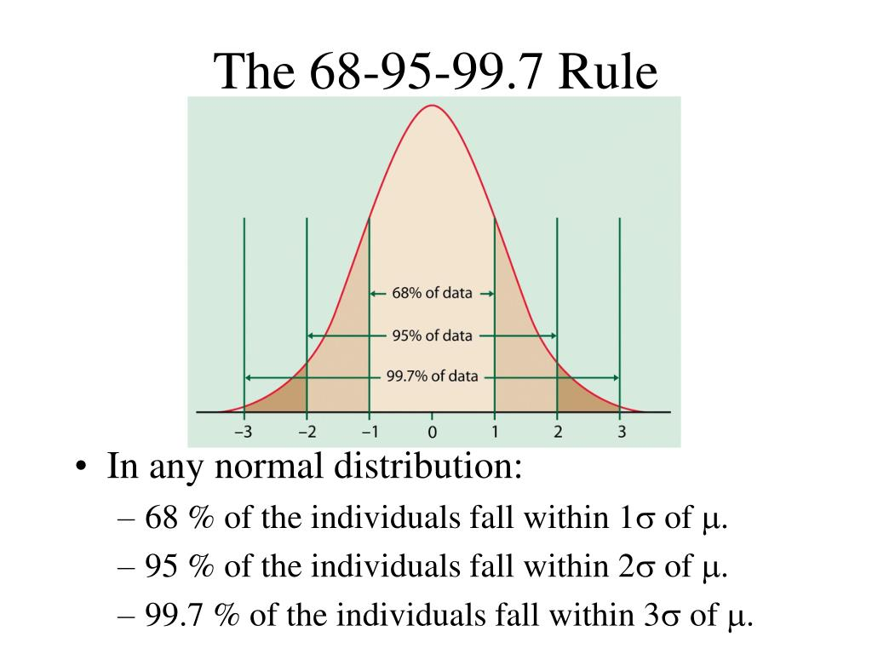
The Good, the Bad and the Ugly | 178 | 1.4806
Hamilton | 160 | 0.8673
The Lord of the Rings: The Two Towers | 179 | 1.5146
The Matrix | 136 | 0.0497
Goodfellas | 146 | 0.3904
Star Wars: Episode V - The Empire Strikes Back | 124 | -0.3591
One Flew Over the Cuckoo's Nest | 133 | -0.0525
Parasite | 132 | -0.0865
Interstellar | 169 | 1.1740
City of God | 130 | -0.1547
Spirited Away | 125 | -0.3250
Saving Private Ryan | 169 | 1.1740
The Green Mile | 189 | 1.8553
Life Is Beautiful | 116 | -0.6316
Se7en | 127 | -0.2569
The Silence of the Lambs | 118 | -0.5635
Star Wars: Episode IV - A New Hope | 121 | -0.4613
Harakiri | 133 | -0.0525
Seven Samurai | 207 | 2.4685
It's a Wonderful Life | 130 | -0.1547
Joker | 122 | -0.4272
Whiplash | 106 | -0.9723
The Intouchables | 112 | -0.7679
The Prestige | 130 | -0.1547
The Departed | 151 | 0.5607
The Pianist | 150 | 0.5267
Gladiator | 155 | 0.6970
American History X | 119 | -0.5294
The Usual Suspects | 106 | -0.9723
Léon: The Professional | 110 | -0.8360
The Lion King | 88 | -1.5855
Terminator 2: Judgment Day | 137 | 0.0838
Cinema Paradiso | 155 | 0.6970
Grave of the Fireflies | 89 | -1.5514
Back to the Future | 116 | -0.6316
Anand | 122 | -0.4272
Once Upon a Time in the West | 165 | 1.0377
Psycho | 109 | -0.8701
Casablanca | 102 | -1.1085
Modern Times | 87 | -1.6196
City Lights | 87 | -1.6196
Capharnaüm | 126 | -0.2909
Ayla: The Daughter of War | 125 | -0.3250
Your Name. | 106 | -0.9723
Dangal | 161 | 0.9014
Spider-Man: Into the Spider-Verse | 117 | -0.5975
Avengers: Endgame | 181 | 1.5828
Avengers: Infinity War | 149 | 0.4926
Coco | 105 | -1.0063
Django Unchained | 165 | 1.0377
The Dark Knight Rises | 164 | 1.0036
3 Idiots | 170 | 1.2080
Taare Zameen Par | 165 | 1.0377
WALL·E | 98 | -1.2448
The Lives of Others | 137 | 0.0838
Oldboy | 120 | -0.4953
Memento | 113 | -0.7338
Princess Mononoke | 134 | -0.0184
Once Upon a Time in America | 229 | 3.2180
Raiders of the Lost Ark | 115 | -0.6657
The Shining | 146 | 0.3904
Apocalypse Now | 147 | 0.4245
Alien | 117 | -0.5975
High and Low | 143 | 0.2882
Dr. Strangelove or: How I Learned to Stop Worrying and Love the Bomb | 95 | -1.3470
Witness for the Prosecution | 116 | -0.6316
Paths of Glory | 88 | -1.5855
Rear Window | 112 | -0.7679
Sunset Blvd. | 110 | -0.8360
The Great Dictator | 125 | -0.3250
1917 | 119 | -0.5294
Uri: The Surgical Strike | 138 | 0.1179
Tumbbad | 104 | -1.0404
Andhadhun | 139 | 0.1519
Drishyam | 160 | 0.8673
The Hunt | 115 | -0.6657
A Separation | 123 | -0.3931
Incendies | 131 | -0.1206
Yedinci Kogustaki Mucize | 132 | -0.0865
Babam ve Oglum | 112 | -0.7679
Toy Story 3 | 103 | -1.0745
Inglourious Basterds | 153 | 0.6289
Eternal Sunshine of the Spotless Mind | 108 | -0.9041
Amélie | 122 | -0.4272
Snatch | 102 | -1.1085
Requiem for a Dream | 102 | -1.1085
American Beauty | 122 | -0.4272
Good Will Hunting | 126 | -0.2909

03_Plotting
z | f(z) | PHI()
-4.00 |  |  | Standard Normal Distribution
-3.80
-3.60
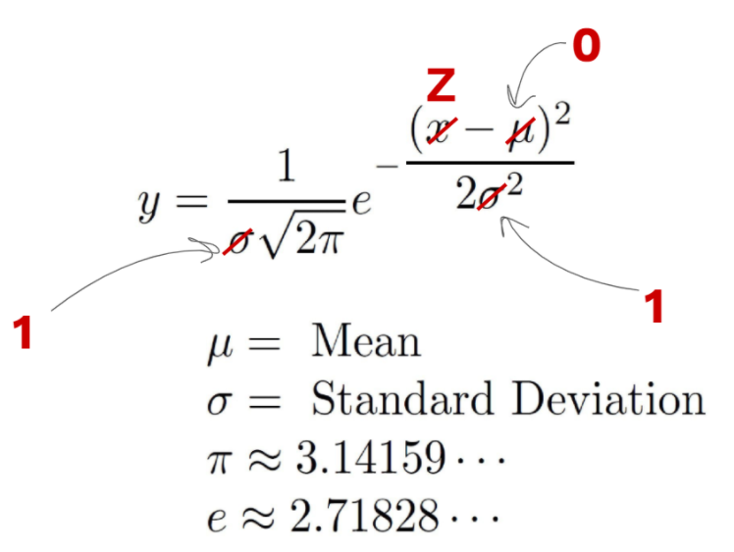
-3.40
-3.20
-3.00
-2.80
-2.60
-2.40
-2.20
-2.00
-1.80
-1.60
-1.40
-1.20
-1.00
-0.80
-0.60
-0.40
-0.20
0.00
0.20
0.40
0.60
0.80
1.00
1.20
1.40
1.60
1.80
2.00
2.20
2.40
2.60
2.80
3.00
3.20
3.40
3.60
3.80
4.00

04_Simulated_Data

Simulate Data in Google Sheets
Normal Distribution |  |  | Mean | 500 | THB
 |  |  | SD | 30 | THB

 |  | Syntax | =NORMINV( RAND(), MEAN, SD )

 |  | Sales
 | 1 | 485 |  | MEAN | 507 | FALSE
 | 2 | 515 |  | SD | 29
 | 3 | 559
 | 4 | 510
 | 5 | 531
 | 6 | 497
 | 7 | 486
 | 8 | 516
 | 9 | 519
 | 10 | 449
 | 11 | 483
 | 12 | 481
 | 13 | 529
 | 14 | 527
 | 15 | 536
 | 16 | 540
 | 17 | 484
 | 18 | 491
 | 19 | 491
 | 20 | 588
 | 21 | 512
 | 22 | 517
 | 23 | 543
 | 24 | 506
 | 25 | 503
 | 26 | 477
 | 27 | 441
 | 28 | 523
 | 29 | 527
 | 30 | 505
 | 31 | 415
 | 32 | 502
 | 33 | 530
 | 34 | 558
 | 35 | 569
 | 36 | 489
 | 37 | 516
 | 38 | 511
 | 39 | 504
 | 40 | 521
 | 41 | 500
 | 42 | 454
 | 43 | 487
 | 44 | 537
 | 45 | 484
 | 46 | 493
 | 47 | 489
 | 48 | 498
 | 49 | 522
 | 50 | 501
 | 51 | 533
 | 52 | 495
 | 53 | 506
 | 54 | 526
 | 55 | 496
 | 56 | 461
 | 57 | 543
 | 58 | 562
 | 59 | 500
 | 60 | 514
 | 61 | 501
 | 62 | 499
 | 63 | 510
 | 64 | 517
 | 65 | 495
 | 66 | 527
 | 67 | 501
 | 68 | 535
 | 69 | 451
 | 70 | 530
 | 71 | 501
 | 72 | 478
 | 73 | 522
 | 74 | 528
 | 75 | 531
 | 76 | 533
 | 77 | 506
 | 78 | 495
 | 79 | 506
 | 80 | 528
 | 81 | 489
 | 82 | 509
 | 83 | 473
 | 84 | 499
 | 85 | 521
 | 86 | 475
 | 87 | 520
 | 88 | 519
 | 89 | 526
 | 90 | 552
 | 91 | 469
 | 92 | 560
 | 93 | 503
 | 94 | 490
 | 95 | 496
 | 96 | 491
 | 97 | 493
 | 98 | 479
 | 99 | 456
 | 100 | 547

05_Confidence_Interval

Confidence Interval | Sample Size >30 ยิ่งดี | Question - Is it different from 8.0 points?
 | Sample N=50 | Ho: rating kenshin = 8 |  | Reject Ho | Central Limit Theorem
 | Rating | Ha: rating kenshin != 8 (two-tailed)
 | 7.5
 | 8.0 | Point Estimate
 | 6.8 | Mean | 7.61
 | 8.1 | SD | 0.73
 | 7.4 | N | 100
 | 7.8
 | 8.5 | Interval Estimate (Confidence Interval)
 | 8.4 | 1.Calculate Standard Error (SE) |  | =SDบนค่าเฉลียของ Sampling Distribution
 | 8.7 | SE | 0.0728 | =G7/SQRT(G8)
 | 8.3 | Sampling Distribution
 | 7.5
 | 6.8 | 2. Calculate Magin of Error (MoE)
 | 8.7 | MOE = SE * Z
 | 7.4 | Confidence | Z | MoE
 | 6.2 | 90% | 1.645 | 0.11975
 | 9.0 | 95% | 1.96 | 0.14268
 | 7.3 | 99% | 2.58 | 0.18781
 | 7.0 | 3. Construct Confidence Interval
 | 5.7 |  | Lower | Upper
 | 6.9 | 90% CI | 7.49 | 7.73
 | 7.8 | 95% CI | 7.46 | 7.75
 | 7.2 | 99% CI | 7.42 | 7.79
 | 8.3
 | 6.8
 | 7.5
 | 7.5
 | 5.7
 | 7.9
 | 8.6
 | 7.9
 | 7.0
 | 8.5
 | 7.2
 | 7.2
 | 8.3
 | 7.8
 | 7.6
 | 7.3
 | 6.9
 | 8.2
 | 8.2
 | 8.2
 | 8.0
 | 7.5
 | 7.3
 | 7.7
 | 8.2
 | 6.7
 | 7.4
 | 7.8

06_Correlation
Histogram of SCORE
NO | MOVIE_NAME | YEAR | RATING | LENGTH | GENRE | SCORE
1 | The Shawshank Redemption | 1994 | R | 142 | Drama | 9.3
2 | The Godfather | 1972 | R | 175 | Crime, Drama | 9.2
3 | The Dark Knight | 2008 | PG-13 | 152 | Action, Crime, Drama | 9
4 | The Godfather: Part II | 1974 | R | 202 | Crime, Drama | 9
5 | The Lord of the Rings: The Return of the King | 2003 | PG-13 | 201 | Action, Adventure, Drama | 8.9
 |  |  |  | ใช้ในการวัดความสัมพันธ์ระหว่างตัวแปรสองตัวที่เป็นตัวเลข
MOVIE_NAME | LENGTH | SCORE |  | Correlation (r) | R-Square (Explained Variance)
The Shawshank Redemption | 142 | 9.3 |  | 0.3796788098 | 0.1442 | [0-1]
The Godfather | 175 | 9.2
The Dark Knight | 152 | 9 |  | Measure of Relationship
The Godfather: Part II | 202 | 9 |  | [-1, +1]
The Lord of the Rings: The Return of the King | 201 | 8.9 |  | มีแนวโน้ม
Pulp Fiction | 154 | 8.9
Schindler's List | 195 | 8.9 |  | Linear Regression | ใช้คู่กับ Correlation เสมอ
12 Angry Men | 96 | 8.9 | จุดตัดแกนตั้ง | Intercpt | 8.1630 | =INTERCEPT(C9:C108, B9:B108)
Inception | 148 | 8.8 | ความชัน | Slope | 0.0026 | =SLOPE(C9:C108, B9:B108)
Fight Club | 139 | 8.8
The Lord of the Rings: The Fellowship of the Ring | 178 | 8.8 |  | IMDB Score = 8.1630 + 0.0026 * Length
Forrest Gump | 142 | 8.8
The Good, the Bad and the Ugly | 178 | 8.8 |  | Length | 240 | 87 | 229
Hamilton | 160 | 8.7 |  | IMDB Score | 8.7927
The Lord of the Rings: The Two Towers | 179 | 8.7
The Matrix | 136 | 8.7
Goodfellas | 146 | 8.7
Star Wars: Episode V - The Empire Strikes Back | 124 | 8.7
One Flew Over the Cuckoo's Nest | 133 | 8.7
Parasite | 132 | 8.6
Interstellar | 169 | 8.6
City of God | 130 | 8.6
Spirited Away | 125 | 8.6
Saving Private Ryan | 169 | 8.6
The Green Mile | 189 | 8.6
Life Is Beautiful | 116 | 8.6
Se7en | 127 | 8.6
The Silence of the Lambs | 118 | 8.6
Star Wars: Episode IV - A New Hope | 121 | 8.6
Harakiri | 133 | 8.6
Seven Samurai | 207 | 8.6
It's a Wonderful Life | 130 | 8.6
Joker | 122 | 8.5
Whiplash | 106 | 8.5
The Intouchables | 112 | 8.5
The Prestige | 130 | 8.5
The Departed | 151 | 8.5
The Pianist | 150 | 8.5
Gladiator | 155 | 8.5
American History X | 119 | 8.5
The Usual Suspects | 106 | 8.5
Léon: The Professional | 110 | 8.5
The Lion King | 88 | 8.5
Terminator 2: Judgment Day | 137 | 8.5
Cinema Paradiso | 155 | 8.5
Grave of the Fireflies | 89 | 8.5
Back to the Future | 116 | 8.5
Anand | 122 | 8.5
Once Upon a Time in the West | 165 | 8.5
Psycho | 109 | 8.5
Casablanca | 102 | 8.5
Modern Times | 87 | 8.5
City Lights | 87 | 8.5
Capharnaüm | 126 | 8.4
Ayla: The Daughter of War | 125 | 8.4
Your Name. | 106 | 8.4
Dangal | 161 | 8.4
Spider-Man: Into the Spider-Verse | 117 | 8.4
Avengers: Endgame | 181 | 8.4
Avengers: Infinity War | 149 | 8.4
Coco | 105 | 8.4
Django Unchained | 165 | 8.4
The Dark Knight Rises | 164 | 8.4
3 Idiots | 170 | 8.4
Taare Zameen Par | 165 | 8.4
WALL·E | 98 | 8.4
The Lives of Others | 137 | 8.4
Oldboy | 120 | 8.4
Memento | 113 | 8.4
Princess Mononoke | 134 | 8.4
Once Upon a Time in America | 229 | 8.4
Raiders of the Lost Ark | 115 | 8.4
The Shining | 146 | 8.4
Apocalypse Now | 147 | 8.4
Alien | 117 | 8.4
High and Low | 143 | 8.4
Dr. Strangelove or: How I Learned to Stop Worrying and Love the Bomb | 95 | 8.4
Witness for the Prosecution | 116 | 8.4
Paths of Glory | 88 | 8.4
Rear Window | 112 | 8.4
Sunset Blvd. | 110 | 8.4
The Great Dictator | 125 | 8.4
1917 | 119 | 8.3
Uri: The Surgical Strike | 138 | 8.3
Tumbbad | 104 | 8.3
Andhadhun | 139 | 8.3
Drishyam | 160 | 8.3
The Hunt | 115 | 8.3
A Separation | 123 | 8.3
Incendies | 131 | 8.3
Yedinci Kogustaki Mucize | 132 | 8.3
Babam ve Oglum | 112 | 8.3
Toy Story 3 | 103 | 8.3
Inglourious Basterds | 153 | 8.3
Eternal Sunshine of the Spotless Mind | 108 | 8.3
Amélie | 122 | 8.3
Snatch | 102 | 8.3
Requiem for a Dream | 102 | 8.3
American Beauty | 122 | 8.3
Good Will Hunting | 126 | 8.3

08_Multiple_LR mtcars
Let's import data from GitHub (Raw CSV)
Website | https://gist.github.com/seankross/a412dfbd88b3db70b74b |  |  |  |  |  |  | Reference | Difference between Adjusted R-squared and R-squared (listendata.com)

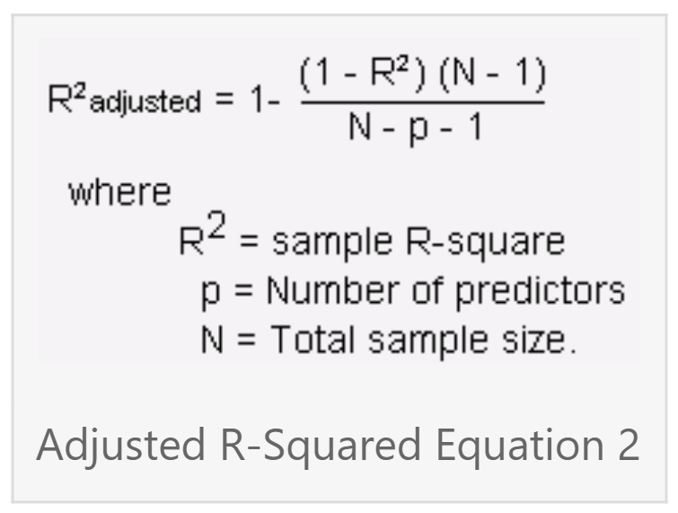
model | mpg | cyl | disp | hp | drat | wt | qsec | vs | am | gear | carb
Mazda RX4 | 21 | 6 | 160 | 110 | 3.9 | 2.62 | 16.46 | 0 | 1 | 4 | 4
Mazda RX4 Wag | 21 | 6 | 160 | 110 | 3.9 | 2.875 | 17.02 | 0 | 1 | 4 | 4
Datsun 710 | 22.8 | 4 | 108 | 93 | 3.85 | 2.32 | 18.61 | 1 | 1 | 4 | 1
Hornet 4 Drive | 21.4 | 6 | 258 | 110 | 3.08 | 3.215 | 19.44 | 1 | 0 | 3 | 1
Hornet Sportabout | 18.7 | 8 | 360 | 175 | 3.15 | 3.44 | 17.02 | 0 | 0 | 3 | 2
Valiant | 18.1 | 6 | 225 | 105 | 2.76 | 3.46 | 20.22 | 1 | 0 | 3 | 1
Duster 360 | 14.3 | 8 | 360 | 245 | 3.21 | 3.57 | 15.84 | 0 | 0 | 3 | 4
Merc 240D | 24.4 | 4 | 146.7 | 62 | 3.69 | 3.19 | 20 | 1 | 0 | 4 | 2
Merc 230 | 22.8 | 4 | 140.8 | 95 | 3.92 | 3.15 | 22.9 | 1 | 0 | 4 | 2
Merc 280 | 19.2 | 6 | 167.6 | 123 | 3.92 | 3.44 | 18.3 | 1 | 0 | 4 | 4
Merc 280C | 17.8 | 6 | 167.6 | 123 | 3.92 | 3.44 | 18.9 | 1 | 0 | 4 | 4
Merc 450SE | 16.4 | 8 | 275.8 | 180 | 3.07 | 4.07 | 17.4 | 0 | 0 | 3 | 3
Merc 450SL | 17.3 | 8 | 275.8 | 180 | 3.07 | 3.73 | 17.6 | 0 | 0 | 3 | 3
Merc 450SLC | 15.2 | 8 | 275.8 | 180 | 3.07 | 3.78 | 18 | 0 | 0 | 3 | 3
Cadillac Fleetwood | 10.4 | 8 | 472 | 205 | 2.93 | 5.25 | 17.98 | 0 | 0 | 3 | 4
Lincoln Continental | 10.4 | 8 | 460 | 215 | 3 | 5.424 | 17.82 | 0 | 0 | 3 | 4
Chrysler Imperial | 14.7 | 8 | 440 | 230 | 3.23 | 5.345 | 17.42 | 0 | 0 | 3 | 4
Fiat 128 | 32.4 | 4 | 78.7 | 66 | 4.08 | 2.2 | 19.47 | 1 | 1 | 4 | 1
Honda Civic | 30.4 | 4 | 75.7 | 52 | 4.93 | 1.615 | 18.52 | 1 | 1 | 4 | 2
Toyota Corolla | 33.9 | 4 | 71.1 | 65 | 4.22 | 1.835 | 19.9 | 1 | 1 | 4 | 1
Toyota Corona | 21.5 | 4 | 120.1 | 97 | 3.7 | 2.465 | 20.01 | 1 | 0 | 3 | 1
Dodge Challenger | 15.5 | 8 | 318 | 150 | 2.76 | 3.52 | 16.87 | 0 | 0 | 3 | 2
AMC Javelin | 15.2 | 8 | 304 | 150 | 3.15 | 3.435 | 17.3 | 0 | 0 | 3 | 2
Camaro Z28 | 13.3 | 8 | 350 | 245 | 3.73 | 3.84 | 15.41 | 0 | 0 | 3 | 4
Pontiac Firebird | 19.2 | 8 | 400 | 175 | 3.08 | 3.845 | 17.05 | 0 | 0 | 3 | 2
Fiat X1-9 | 27.3 | 4 | 79 | 66 | 4.08 | 1.935 | 18.9 | 1 | 1 | 4 | 1
Porsche 914-2 | 26 | 4 | 120.3 | 91 | 4.43 | 2.14 | 16.7 | 0 | 1 | 5 | 2
Lotus Europa | 30.4 | 4 | 95.1 | 113 | 3.77 | 1.513 | 16.9 | 1 | 1 | 5 | 2
Ford Pantera L | 15.8 | 8 | 351 | 264 | 4.22 | 3.17 | 14.5 | 0 | 1 | 5 | 4
Ferrari Dino | 19.7 | 6 | 145 | 175 | 3.62 | 2.77 | 15.5 | 0 | 1 | 5 | 6
Maserati Bora | 15 | 8 | 301 | 335 | 3.54 | 3.57 | 14.6 | 0 | 1 | 5 | 8
Volvo 142E | 21.4 | 4 | 121 | 109 | 4.11 | 2.78 | 18.6 | 1 | 1 | 4 | 2

09_Independent_T
Independent T-Test | AB Test / RCT
Ho: mean_group1 = mean_group2 |  | Average Sales | 300 | 270
Ha: mean_group1 != mean_group2 |  | SD Sales | 5 | 4
 |  |  | .

 |  |  | Scenario: We create two new recipes

 |  |  | Recipe A | Recipe B
 |  | 1 | 292 | 275 | 1. Test variance (F-Test)
 |  | 2 | 299 | 270 | 2. Test mean (T-Test)
 |  | 3 | 307 | 278
 |  | 4 | 293 | 269 |  | Mean | Variance
 |  | 5 | 302 | 270 | Recipe A | 300 | 25.6
 |  | 6 | 291 | 267 | Recipe B | 271 | 15.4
 |  | 7 | 302 | 268
 |  | 8 | 298 | 264 | p-value (F-Test)
 |  | 9 | 301 | 265 | 0.0115 | TRUE
 |  | 10 | 304 | 278
 |  | 11 | 301 | 274 | Ho: Var A = Var B
 |  | 12 | 301 | 274 | Ha: Var A != Var B
 |  | 13 | 305 | 270
 |  | 14 | 302 | 269 | p-value (T-Test)
 |  | 15 | 297 | 272 | 0.0000
 |  | 16 | 296 | 278
 |  | 17 | 301 | 271 | Ho: Mean A = Mean B
 |  | 18 | 298 | 268 | Ha: Mean A != Mean B
 |  | 19 | 300 | 276
 |  | 20 | 289 | 274
 |  | 21 | 300 | 277
 |  | 22 | 297 | 268
 |  | 23 | 306 | 274
 |  | 24 | 293 | 271
 |  | 25 | 306 | 273
 |  | 26 | 307 | 275
 |  | 27 | 302 | 265
 |  | 28 | 298 | 264
 |  | 29 | 299 | 270
 |  | 30 | 300 | 274
 |  | 31 | 304 | 271
 |  | 32 | 303 | 270
 |  | 33 | 296 | 265
 |  | 34 | 303 | 270
 |  | 35 | 304 | 266
 |  | 36 | 298 | 276
 |  | 37 | 304 | 269
 |  | 38 | 303 | 264
 |  | 39 | 306 | 270
 |  | 40 | 296 | 271
 |  | 41 | 306 | 272
 |  | 42 | 294 | 275
 |  | 43 | 304 | 272
 |  | 44 | 301 | 270
 |  | 45 | 296 | 273
 |  | 46 | 305 | 264
 |  | 47 | 299 | 268
 |  | 48 | 296 | 272
 |  | 49 | 288 | 269
 |  | 50 | 292 | 271
 |  | 51 | 294 | 274
 |  | 52 | 290 | 272
 |  | 53 | 297 | 263
 |  | 54 | 298 | 277
 |  | 55 | 303 | 268
 |  | 56 | 302 | 263
 |  | 57 | 292 | 269
 |  | 58 | 300 | 276
 |  | 59 | 297 | 263
 |  | 60 | 296 | 268
 |  | 61 | 302 | 272
 |  | 62 | 308 | 265
 |  | 63 | 311 | 273
 |  | 64 | 305 | 271
 |  | 65 | 306 | 276
 |  | 66 | 301 | 270
 |  | 67 | 308 | 272
 |  | 68 | 309 | 276
 |  | 69 | 300 | 279
 |  | 70 | 308 | 268
 |  | 71 | 295 | 271
 |  | 72 | 295 | 268
 |  | 73 | 302 | 274
 |  | 74 | 308 | 265
 |  | 75 | 302 | 273
 |  | 76 | 294 | 271
 |  | 77 | 297 | 272
 |  | 78 | 300 | 273
 |  | 79 | 303 | 272
 |  | 80 | 296 | 270
 |  | 81 | 295 | 268
 |  | 82 | 295 | 277
 |  | 83 | 303 | 269
 |  | 84 | 299 | 266
 |  | 85 | 297 | 268
 |  | 86 | 304 | 268
 |  | 87 | 300 | 270
 |  | 88 | 311 | 270
 |  | 89 | 302 | 277
 |  | 90 | 297 | 267
 |  | 91 | 299 | 274
 |  | 92 | 302 | 268
 |  | 93 | 302 | 267
 |  | 94 | 302 | 266
 |  | 95 | 294 | 273
 |  | 96 | 299 | 275
 |  | 97 | 288 | 273
 |  | 98 | 296 | 267
 |  | 99 | 292 | 267
 |  | 100 | 300 | 276

10_Paired_T

Paired T-Test | Aka - Pre vs. Post Test
Ho: mean_before = mean_after
Ha: mean_before != mean_after

11_OneWayANOVA
One Way ANOVA
Ho: All groups means are equal (mean1 = mean2 = mean3 = ... )
Ha: At least one group mean is different

You work as a HR manager and want to test three engagement methods to improve productivity.


 | Method 1 | Method 2 | Method 3
 | 95 | 83 | 68
 | 91 | 89 | 75
 | 89 | 85 | 79
 | 90 | 89 | 74
 | 99 | 81 | 75
 | 88 | 89 | 81
 | 96 | 90 | 73
 | 98 | 82 | 77
 | 95 | 84 | 80
 | 92 | 80 | 81

13_Moving_Average
Time Series - Moving Average

57, MA(3) (Moving Avg) and
Quarter Ending | Sales (X 1000) | MA(3) (Moving Avg) | MA(5)
Mar-18 | 57
Jun-18 | 84
Sep-18 | 68
Dec-18 | 100 | 69.67
Mar-19 | 63 | 84.00
Jun-19 | 81 | 77.00 | 74.4
Sep-19 | 73 | 81.33 | 79.2
Dec-19 | 110 | 72.33 | 77
Mar-20 | 70 | 88.00 | 85.4
Jun-20 | 87 | 84.33 | 79.4
Sep-20 | 75 | 89.00 | 84.2
Dec-20 | 112 | 77.33 | 83
Mar-21 | 78 | 91.33 | 90.8
Jun-21 | 95 | 88.33 | 84.4
Sep-21 | 88 | 95.00 | 89.4
Dec-21 | 116 | 87.00 | 89.6
Mar-22 | 82 | 99.67 | 97.8
Jun-22 | 99 | 95.33 | 91.8
Sep-22 | 92 | 99.00 | 96
Dec-22 | 122 | 91.00 | 95.4

14_Exponential_Smoothing
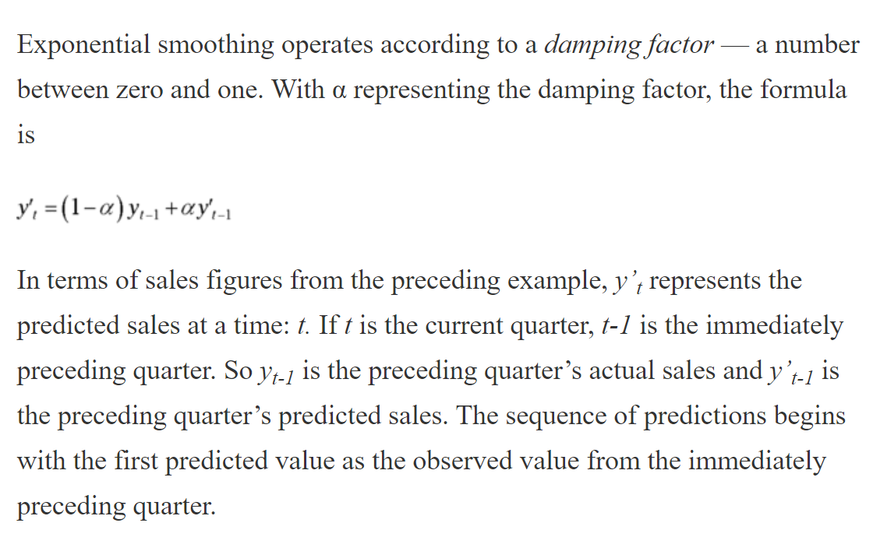
Time Series - Exponential Smoothing |  |  | 7.1 Simple exponential smoothing | Forecasting: Principles and Practice (2nd ed) (otexts.com)
 |  |  | alpha is what we call "smoothing factor" or "damping factor"
Quarter Ending | Sales (X 1000) | Pred_Sales
Mar-18 | 57 |  | alpha | 0.5
Jun-18 | 84
Sep-18 | 68
Dec-18 | 100
Mar-19 | 63
Jun-19 | 81
Sep-19 | 73
Dec-19 | 110
Mar-20 | 70
Jun-20 | 87
Sep-20 | 75
Dec-20 | 112
Mar-21 | 78
Jun-21 | 95
Sep-21 | 88
Dec-21 | 116
Mar-22 | 82
Jun-22 | 99
Sep-22 | 92
Dec-22 | 122

16_Logistic_Regression
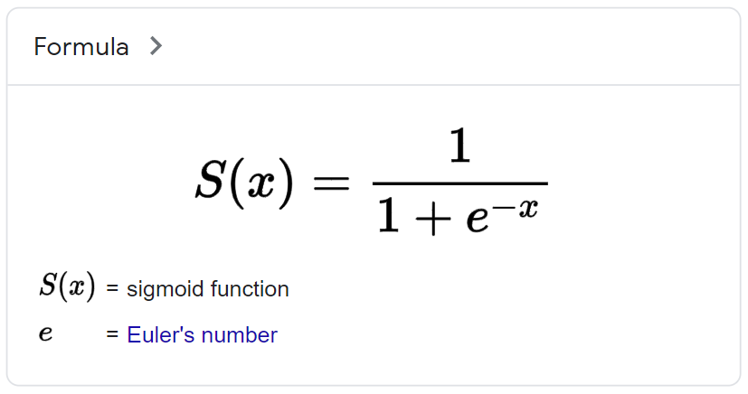
happiness | divorce
10 | 0
8 | 0
9 | 0
7 | 0
8 | 0
5 | 0
9 | 0
6 | 0
8 | 0
7 | 0
1 | 1
1 | 1
3 | 1
1 | 1
4 | 1
5 | 1
6 | 1
3 | 1
2 | 1
0 | 1

caseno | age | weight | gender | VO2max | heart_disease
1 | 37 | 70.47 | male | 55.79 | no
2 | 73 | 50.34 | female | 35 | no
3 | 46 | 87.65 | male | 42.93 | yes
4 | 36 | 89.8 | female | 28.3 | yes
5 | 34 | 103.02 | male | 40.56 | no
6 | 39 | 77.37 | female | 33 | no
7 | 34 | 82.48 | male | 43.48 | no
8 | 37 | 75.94 | female | 30.38 | no
9 | 35 | 97.11 | male | 40.17 | yes
10 | 32 | 78.42 | female | 36.01 | no
11 | 40 | 88.02 | male | 44.22 | yes
12 | 55 | 74.47 | female | 38.76 | yes
13 | 35 | 75.98 | female | 33.09 | no
14 | 46 | 58.97 | female | 44.81 | no
15 | 33 | 111.8 | male | 31.94 | no
16 | 39 | 79.81 | female | 34.48 | no
17 | 47 | 56.18 | male | 47.23 | yes
18 | 40 | 86.13 | male | 45.06 | no
19 | 46 | 87.3 | male | 55.12 | no
20 | 46 | 88.52 | male | 45.58 | yes
21 | 36 | 68.52 | female | 37.52 | no
22 | 41 | 76.7 | female | 36.27 | no
23 | 40 | 62.51 | male | 62.5 | no
24 | 34 | 60.9 | female | 37.09 | no
25 | 36 | 53.43 | male | 44.27 | yes
26 | 33 | 68.52 | female | 40.34 | no
27 | 55 | 72.37 | male | 55.19 | yes
28 | 48 | 82.16 | female | 49.87 | no
29 | 40 | 90.92 | male | 38.06 | yes
30 | 31 | 95.51 | male | 48.13 | no
31 | 49 | 73.14 | female | 42.42 | yes
32 | 36 | 62.59 | male | 48.23 | yes
33 | 38 | 91.38 | male | 42.96 | yes
34 | 51 | 94.29 | male | 42.53 | yes
35 | 50 | 58.07 | male | 40.9 | no
36 | 35 | 90.25 | female | 27.35 | no
37 | 31 | 78.45 | female | 38.7 | no
38 | 32 | 74.78 | male | 62.13 | no
39 | 43 | 85.13 | male | 45.69 | no
40 | 38 | 101.25 | male | 40.73 | yes
41 | 31 | 58.94 | male | 41.82 | no
42 | 47 | 101.06 | male | 35.6 | yes
43 | 31 | 97.75 | male | 42.2 | no
44 | 32 | 72.5 | male | 45.3 | no
45 | 37 | 88.45 | male | 40.02 | yes
46 | 34 | 72.29 | male | 47.17 | no
47 | 41 | 94.59 | male | 44.43 | yes
48 | 38 | 115.42 | male | 38.12 | no
49 | 40 | 51.96 | female | 50.05 | no
50 | 41 | 89.35 | male | 48.64 | no
51 | 43 | 62.01 | female | 36.49 | no
52 | 33 | 68.03 | male | 61.71 | no
53 | 39 | 79.39 | female | 33.84 | no
54 | 35 | 81.91 | female | 51.2 | no
55 | 42 | 64 | female | 35 | yes
56 | 39 | 59.78 | female | 47.71 | no
57 | 31 | 71.03 | male | 52.3 | no
58 | 44 | 50 | female | 42 | no
59 | 35 | 80.98 | male | 55.66 | yes
60 | 41 | 112.59 | male | 37.34 | yes
61 | 74 | 73.38 | female | 40.58 | yes
62 | 36 | 62.85 | male | 60.55 | no
63 | 55 | 68.29 | female | 37.93 | yes
64 | 31 | 94.68 | male | 44.94 | no
65 | 38 | 103.23 | male | 35.01 | yes
66 | 55 | 81.01 | male | 45.57 | no
67 | 32 | 69.02 | female | 36.63 | no
68 | 30 | 55 | female | 60 | no
69 | 32 | 73.44 | female | 40.52 | no
70 | 43 | 60.31 | female | 47.92 | yes
71 | 48 | 85.94 | male | 45.84 | no
72 | 40 | 64.65 | male | 60.92 | no
73 | 62 | 88.83 | male | 32 | yes
74 | 32 | 82.41 | male | 49.4 | no
75 | 33 | 63 | female | 50 | no
76 | 63 | 78.67 | female | 31.99 | no
77 | 43 | 95.1 | male | 39.9 | yes
78 | 51 | 87.05 | male | 47.16 | no
79 | 32 | 69.97 | male | 61.76 | no
80 | 36 | 90.63 | female | 33.58 | no
81 | 42 | 92.43 | male | 47.26 | no
82 | 37 | 79.31 | male | 54.67 | no
83 | 33 | 80.61 | male | 49.68 | no
84 | 41 | 74.87 | male | 50.19 | yes
85 | 34 | 101.62 | male | 36.19 | no
86 | 35 | 74.7 | male | 57.64 | no
87 | 63 | 87.28 | male | 49.87 | no
88 | 43 | 72.57 | female | 34.85 | no
89 | 42 | 75.82 | female | 33.67 | yes
90 | 43 | 53 | female | 42 | no
91 | 34 | 75.15 | male | 58.32 | no
92 | 50 | 103.53 | male | 45.23 | yes
93 | 33 | 79.65 | female | 30.37 | no
94 | 36 | 70.84 | male | 55.91 | no
95 | 48 | 79.17 | male | 49.42 | no
96 | 42 | 111.98 | male | 33.73 | yes
97 | 43 | 88.07 | male | 49.22 | yes
98 | 45 | 94.07 | male | 41.97 | yes
99 | 58 | 97.46 | male | 35.2 | yes
100 | 61 | 93.76 | male | 32 | yes

